Sheet1
e2 表 [leader]
e1 表 【worker】
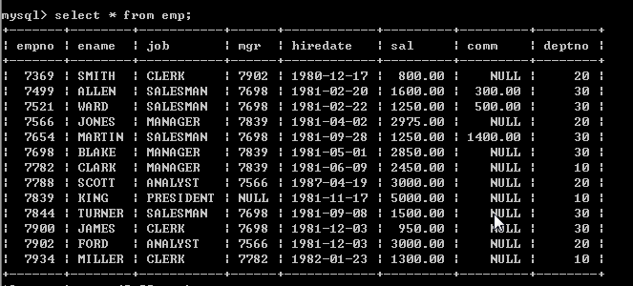

select * from emp worker , emp leader where worker.mgr = leader.empno and worker.ename = 'ford'

